Figure 1
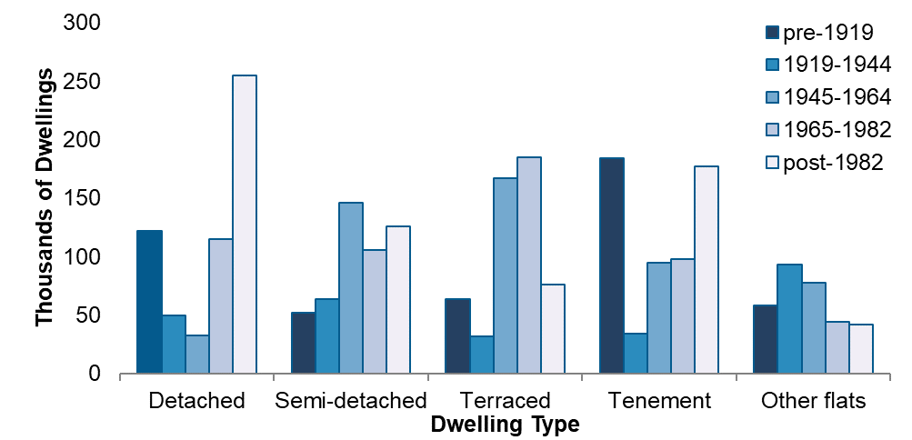
Back to Contents
Figure 1: Number of Occupied Scottish Dwellings by Age Band and Type, 2019

Figure 2
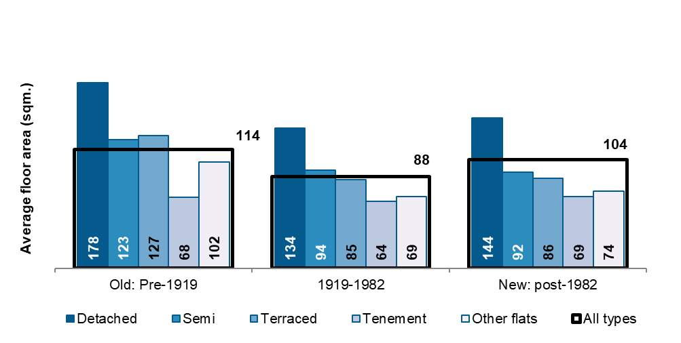
Back to Contents
Figure 2: Mean Floor Area (m2) by Dwelling Type and Age, 2019

Figure 3
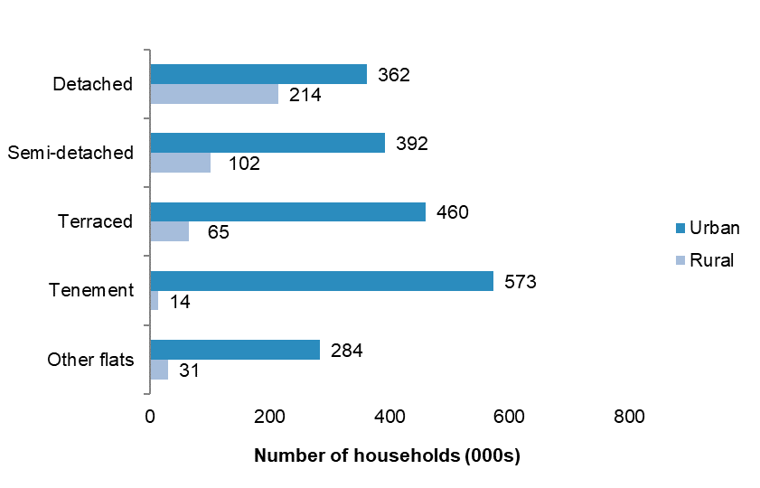
Back to Contents
Figure 3: Dwelling Types in Rural and Urban Areas (000s), 2019

Figure 4
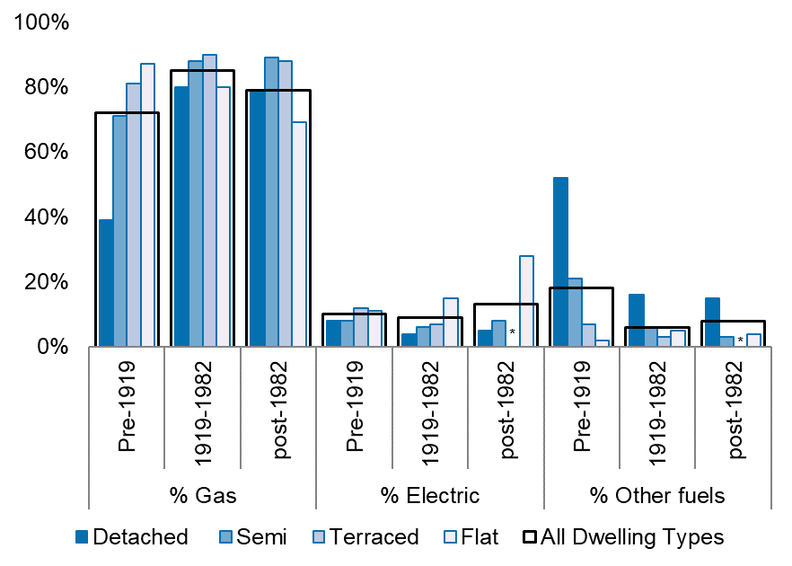
Back to Contents
Figure 4: Primary Heating Fuel by Age and Type of Dwelling, 2019 (per cent of dwellings in age/type category using fuel type)

Figure 5
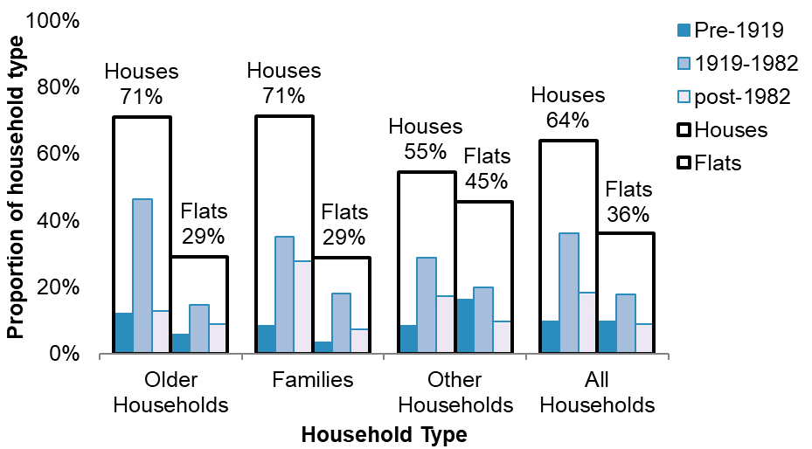
Back to Contents
Figure 5: Proportion of Households in Each Dwelling Type and Age Band, 2019

Figure 6
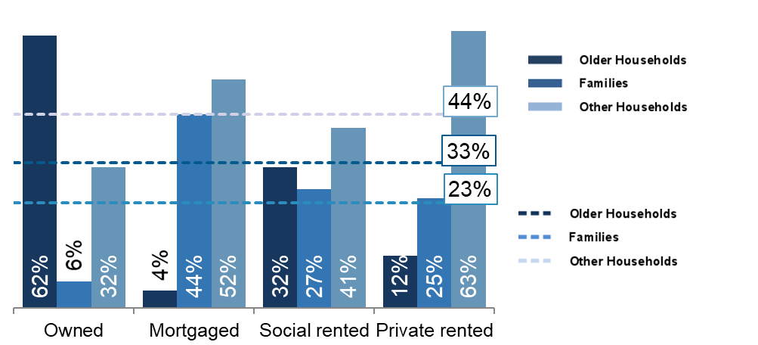
Back to Contents
Figure 6: Proportion of Households in Each Tenure Group by Household Type, 2019

Figure 7
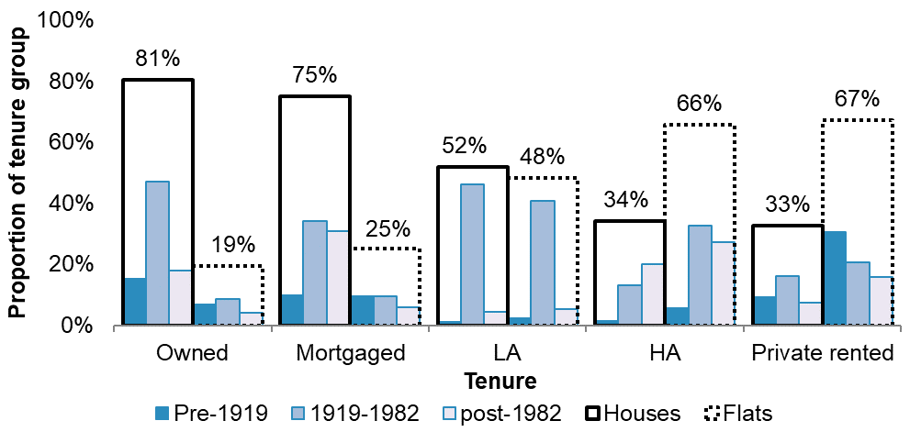
Back to Contents
Figure 7: Proportion of Dwellings in Each Tenure Group by Age Band and Type of Dwelling, 2019

Figure 8
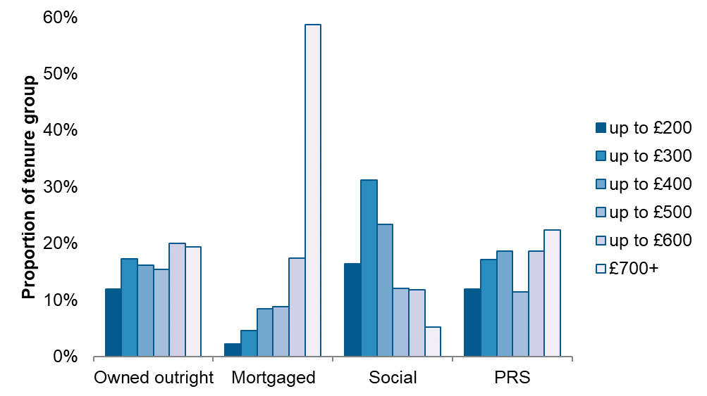
Back to Contents
Figure 8: Proportion of Households in Each Tenure Group by Weekly Household Income Band, 2019

Figure 9
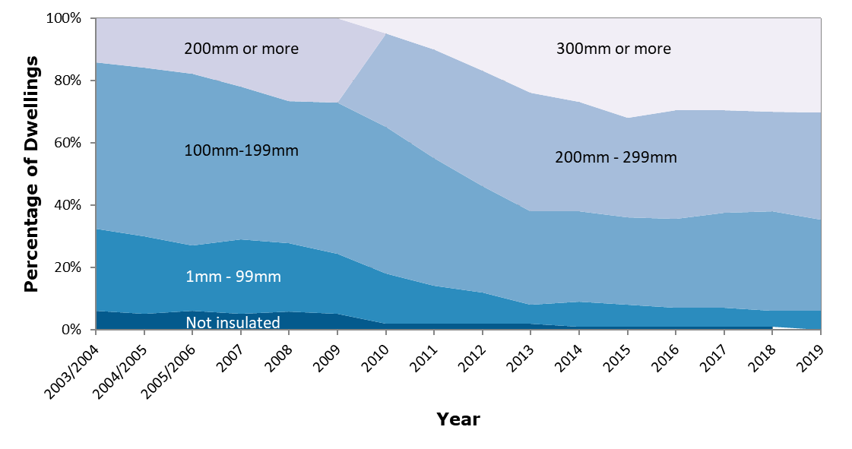
Back to Contents
Figure 9: Depth of Loft Insulation (where applicable) 2003/04 – 2019
Figure 9: Depth of Loft Insulation (where applicable) 2003/04 – 2019

Note: A dwelling is classified as ‘not applicable’ for loft insulation if it has a flat roof or another dwelling above it (i.e. it is a mid- or ground-floor flat).

Figure 10
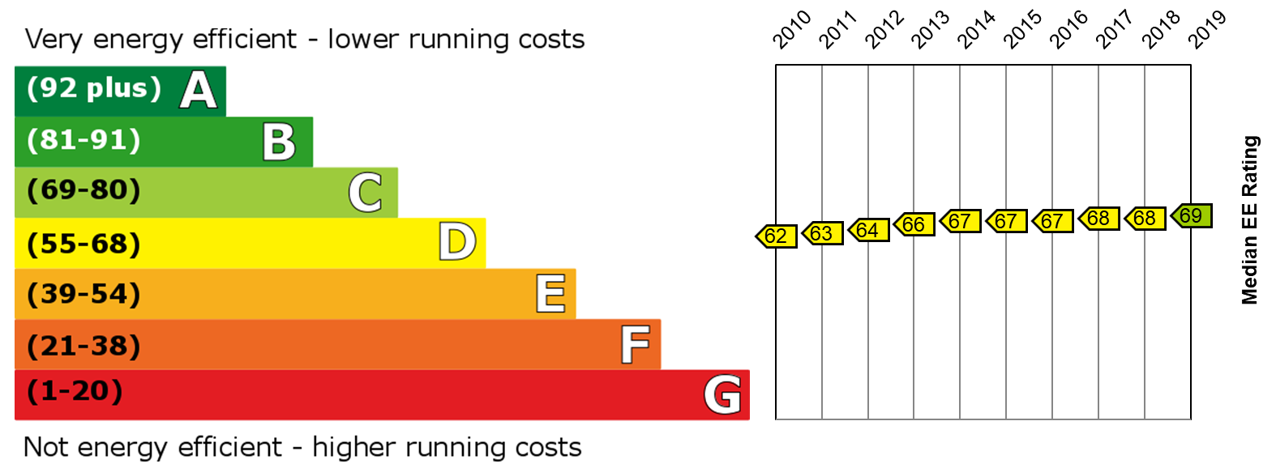
Back to Contents
Figure 10: Median EER relative to EPC bands, SAP 2009, 2010-2019

Figure 11
Back to Contents
Figure 11: Distribution of the Scottish Housing Stock by EPC Band, SAP 2009, 2012-2019
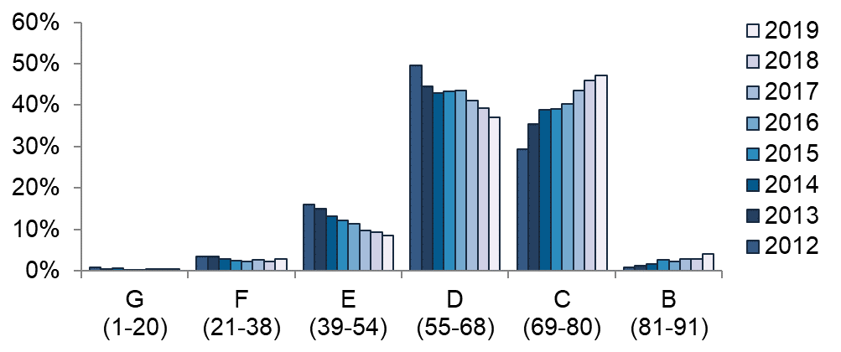

Note: Values for this figure are provided in Table 17.

Figure 12
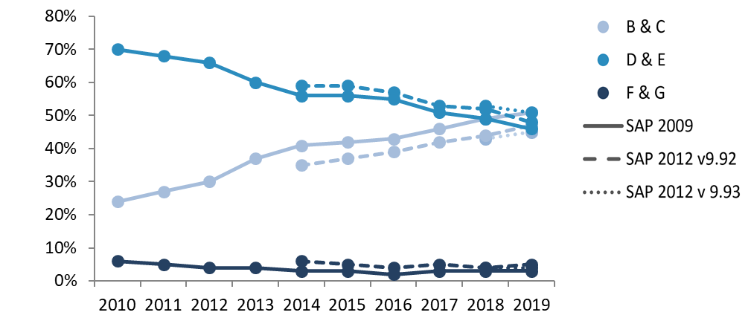
Back to Contents
Figure 12: Grouped EPC Bands under SAP 2009, SAP 2012 (RdSAP v9.92) and SAP 2012 (RdSAP v9.93), 2010-2019

Figure 13
Back to Contents
Figure 13: Proportion of Homes in Band F or G by Dwelling Age, Primary Heating Fuel, Tenure and Household and Dwelling Type in 2019 (SAP 2012 (RdSAP v9.93))
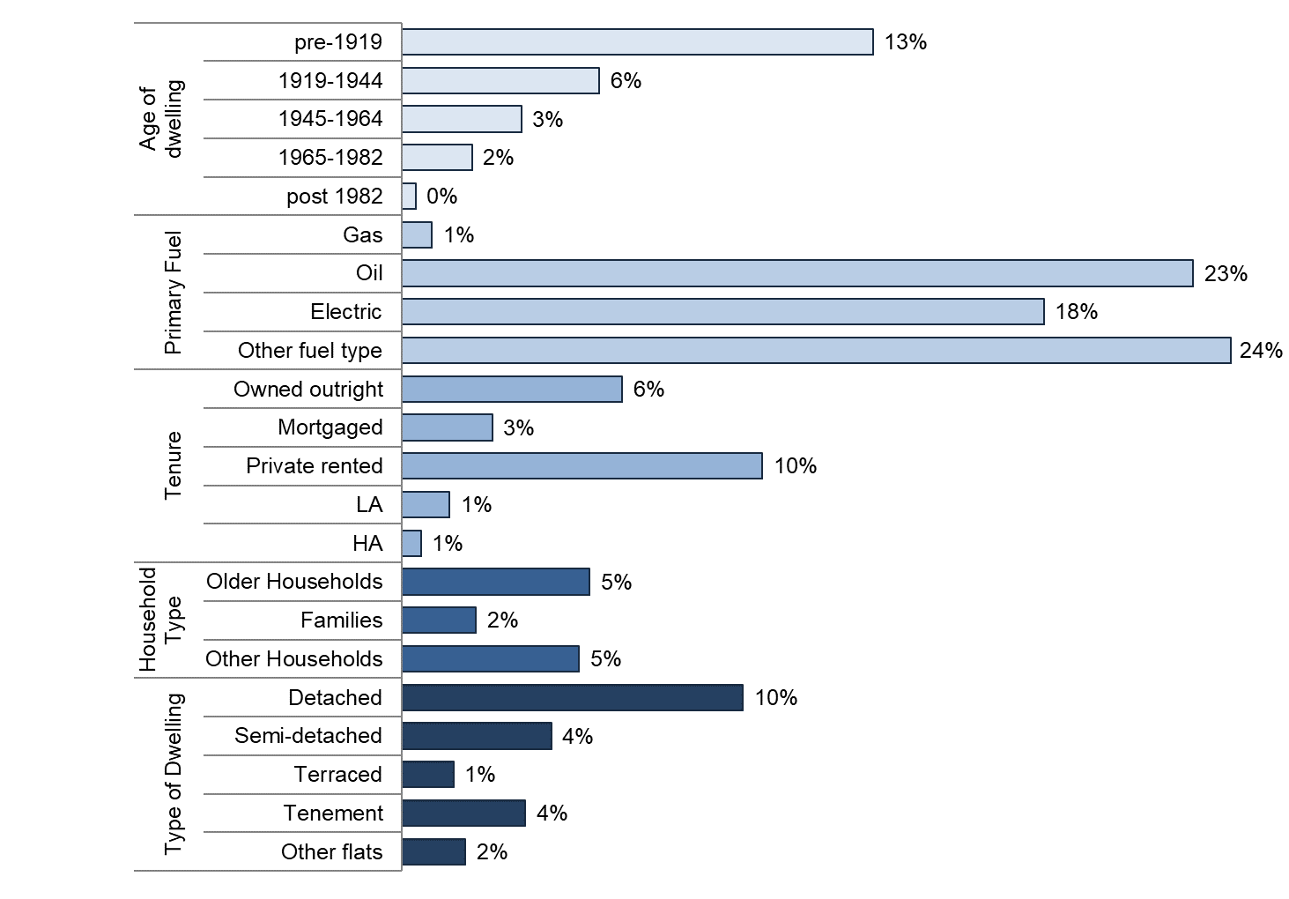

Note: Base figures and more detailed breakdowns are provided in Table 21 and Table 22.

Figure 14
Back to Contents
Figure 14: Average Floor Area and Average Modelled Annual Emissions by Age and Type of Dwelling, 2019
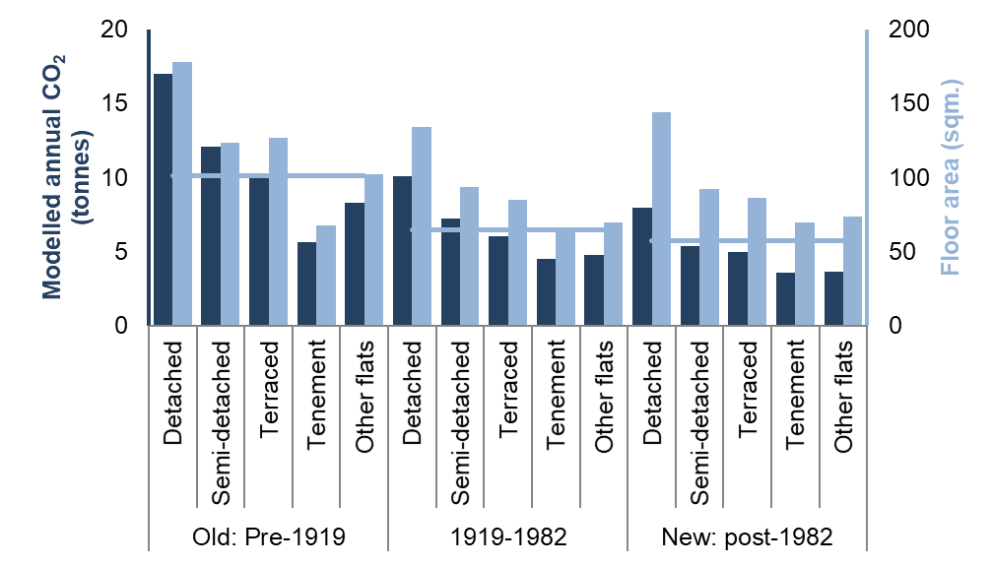

Note: Floor areas for these subgroups are provided in section 2.1.1. Modelled carbon emissions figures are provided in Table 25. The blue line indicates the average modelled emissions for the dwelling age group.

Figure 15
Back to Contents
Figure 15: Modelled Emissions per square meter (kg/m2) by Tenure, 2010-2019
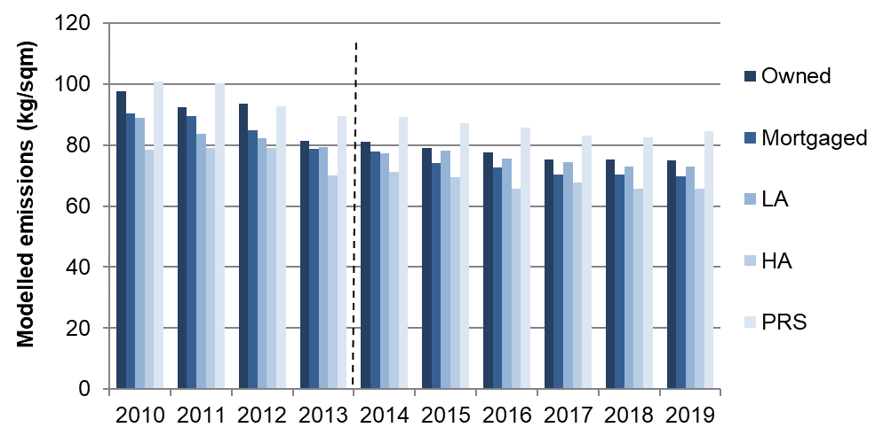

Note: Data prior to 2014 does not include households living rent free. Figures for 2014-2019 are therefore not fully comparable to previous years

Figure 16
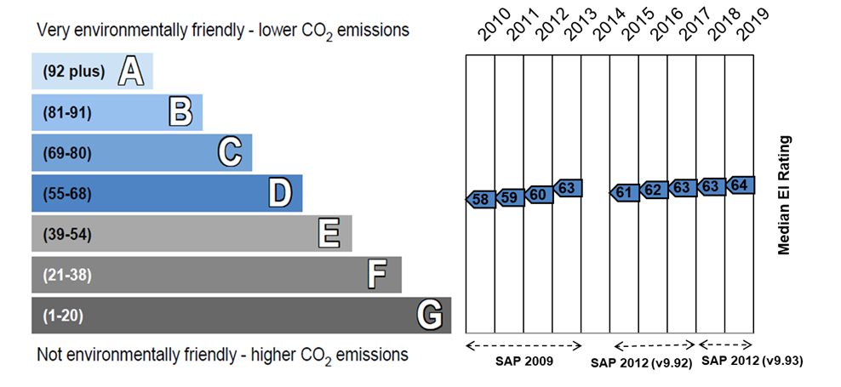
Back to Contents
Figure 16: Median EIR relative to Band, 2010-2013 (SAP 2009), 2015-2017 (SAP 2012 (RdSAP v9.92)), 2018 and 2019 (SAP 2012 (RdSAP v9.93))

Figure 17
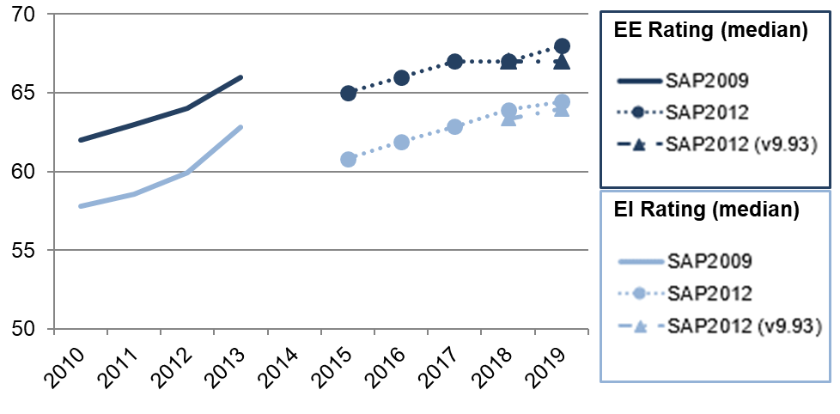
Back to Contents
Figure 17: Trend in Median EE and EI Ratings, 2010-2013 and 2015-2019

Figure 18
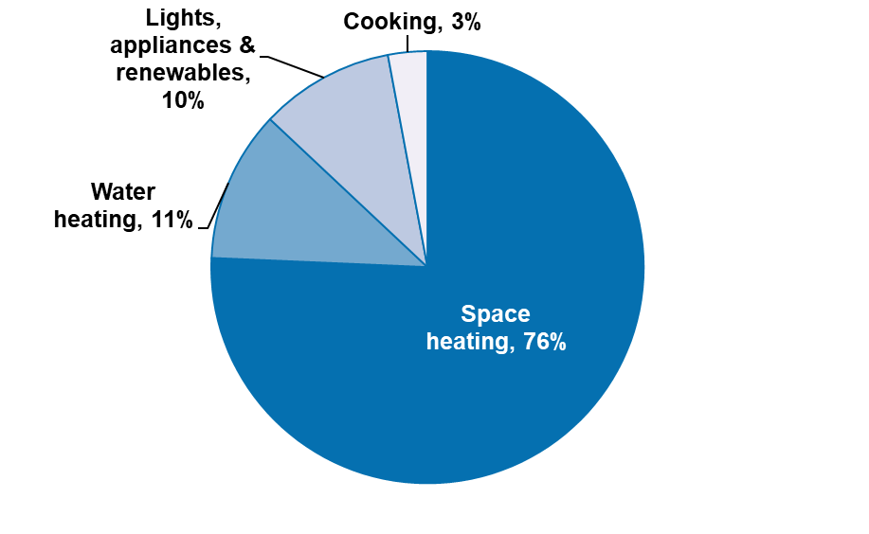
Back to Contents
Figure 18: Mean Household Energy Consumption by End Use, 2019

Figure 19
Back to Contents
Figure 19: Estimates of Fuel Poverty and Extreme Fuel Poverty since 2012
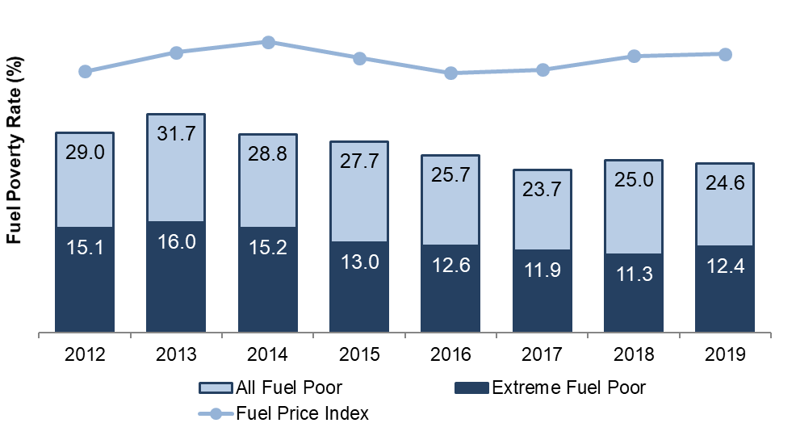

Note: Energy requirement underpinning fuel poverty estimate modelled on the following basis: 2012 – 2013: BREDEM 2012 v.1.0; from 2014 onwards: BREDEM 2012 v.1.1, and New Prices to the adjustment of fuel price sources from 2013. From 2016 an improvement is included by assigning pre-payment metered fuel prices to the relevant households. From 2019 further improvements are included by using more detailed information on combi boilers to improve the accuracy of calculations surrounding hot water losses and assigning an off-peak tariff to relevant household’s lights and appliances fuel prices.
Note: The 2012-2017 estimates are not comparable to those in the 2012-2017 Key Findings reports. See Section 4.1.1 for more details

Figure 20
Back to Contents
Figure 20: Median Fuel Poverty Gap of Fuel Poor Households, 2012-2019
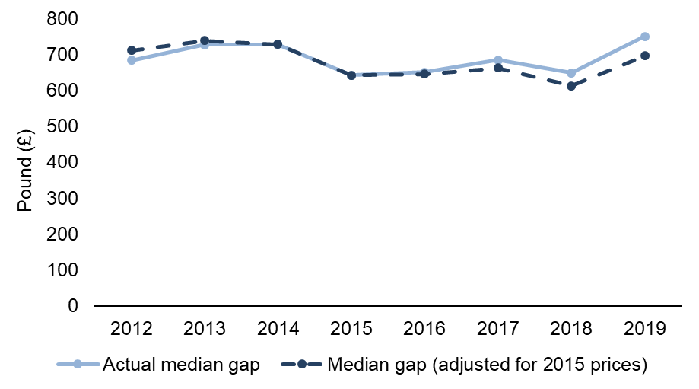

Note: Data for this chart are provided in Table 31.

Figure 21
Back to Contents
Figure 21: Trends in Fuel Price, Energy Efficiency and Median Income, 2012 to 2019
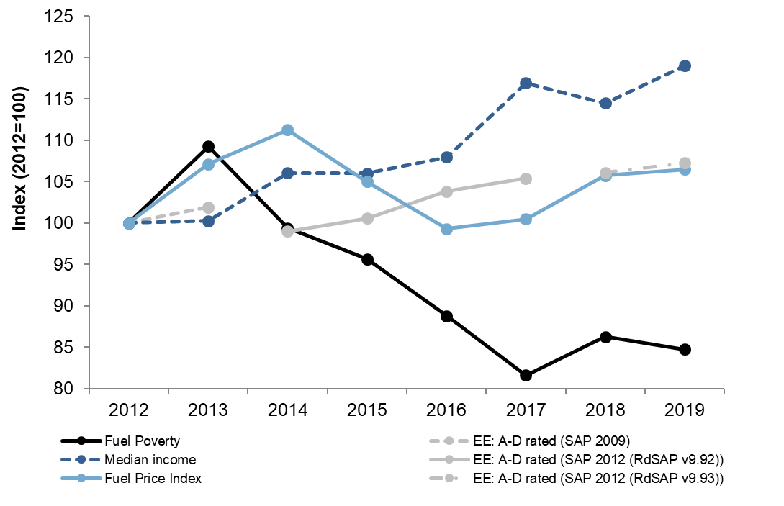

Note: All values indexed to 100 in 2012. Data for this chart are provided in Table 32.
Fuel Price Index constructed as described in section 4.4.1.
Fuel poverty energy requirement modelled on the following basis: 2010 – 2013: BREDEM 2012 v.1.0; 2014 onwards: BREDEM 2012 v.1.1. From 2018 onwards there was a small update in the version of RdSAP underlying the energy modelling as described in section 3.3. From 2019 a further improvement is included by using more detailed information on combi boilers to improve the accuracy of calculations surrounding hot water losses.
Fuel poverty costs as follows: 2012 include WHD adjustment only; from 2013 onwards include WHD and price source adjustments; from 2016 an improvement is included by assigning pre-payment metered fuel prices to the relevant households; from 2019 a further improvement is included by assigning an off-peak tariff to relevant household’s lights and appliances fuel prices.

Figure 22
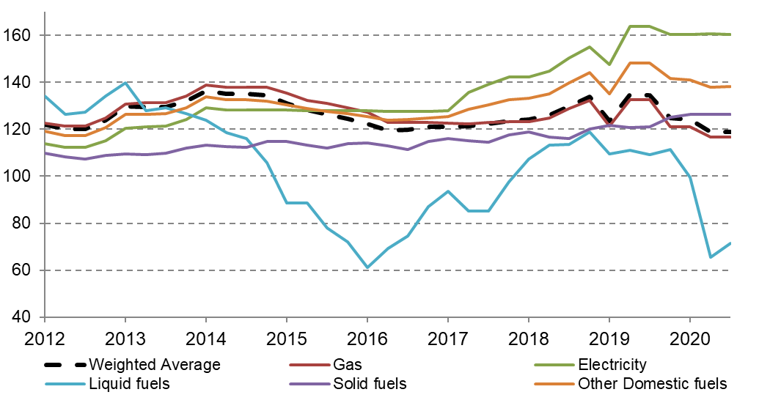
Back to Contents
Figure 22: BEIS Fuel Price Indices and a Weighted Average for Scotland: 2012 to August 2020

Figure 23
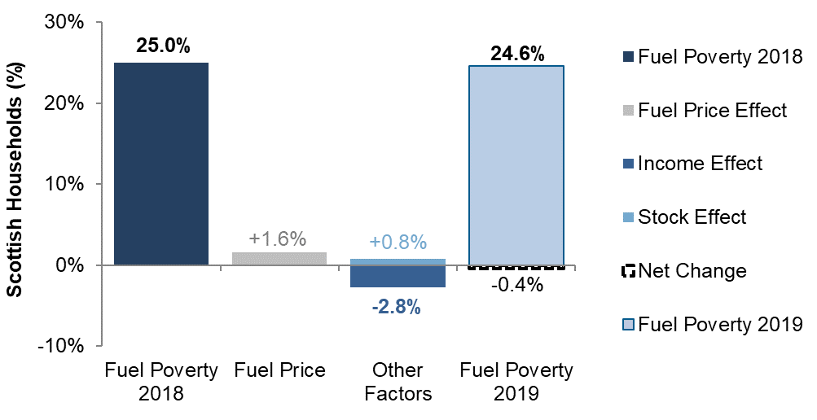
Back to Contents
Figure 23: Contributions to Change in Fuel Poverty Rate between 2018 and 2019

Figure 24
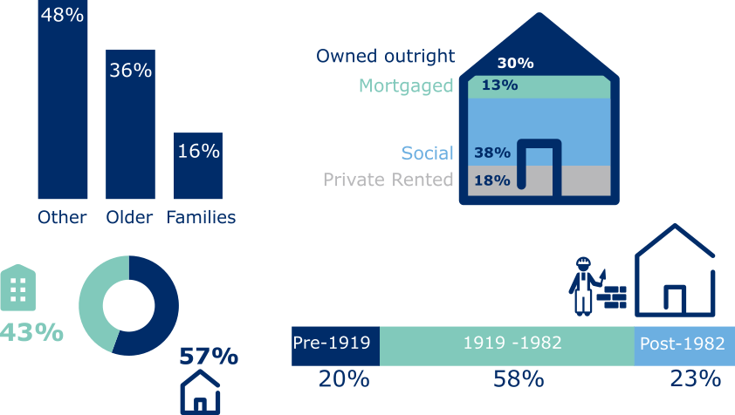
Back to Contents
Figure 24: Composition of Fuel Poor Households by Selected Household and Dwelling Characteristics, 2019

Figure 25
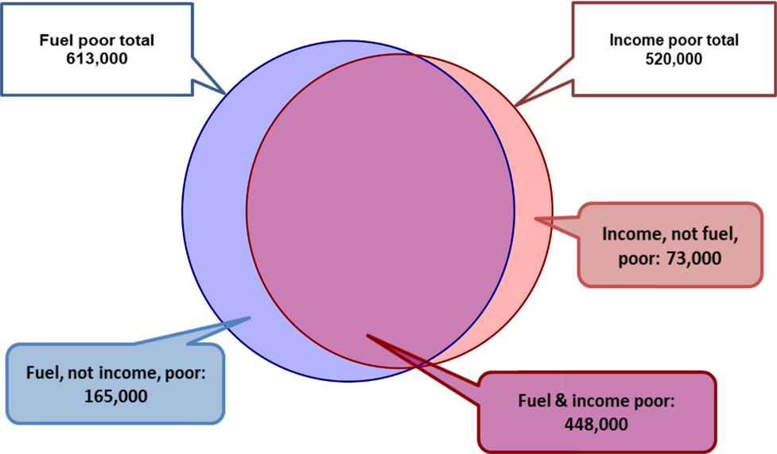
Back to Contents
Figure 25: Fuel Poor and Income Poor Households, SHCS 2019

Figure 26
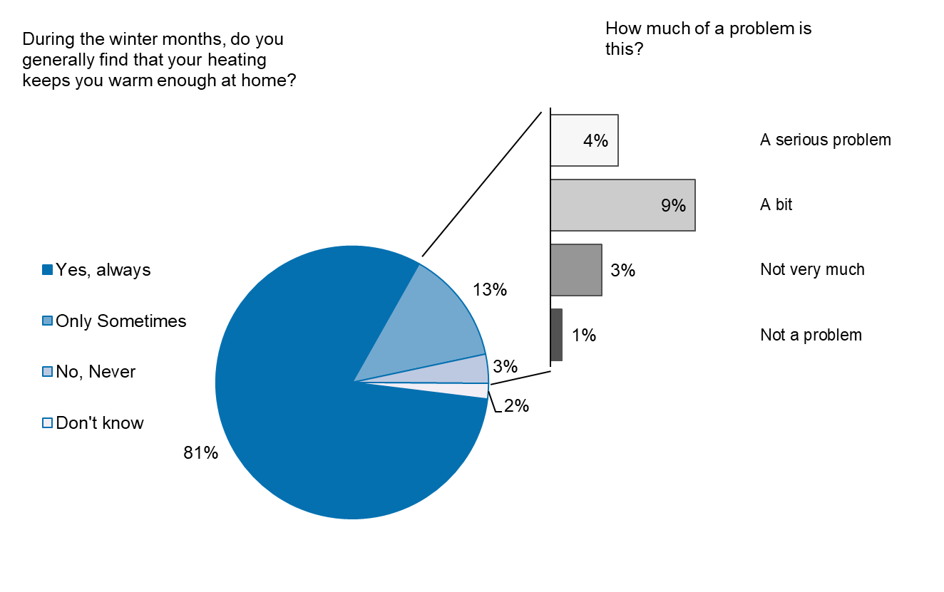
Back to Contents
Figure 26: Staying Warm in Winter, 2019

Figure 27
Back to Contents
Figure 27: “Does Your Heating Keep You Warm Enough in the Winter?” by Household Type, Tenure and Primary Heating Fuel; SHCS 2019
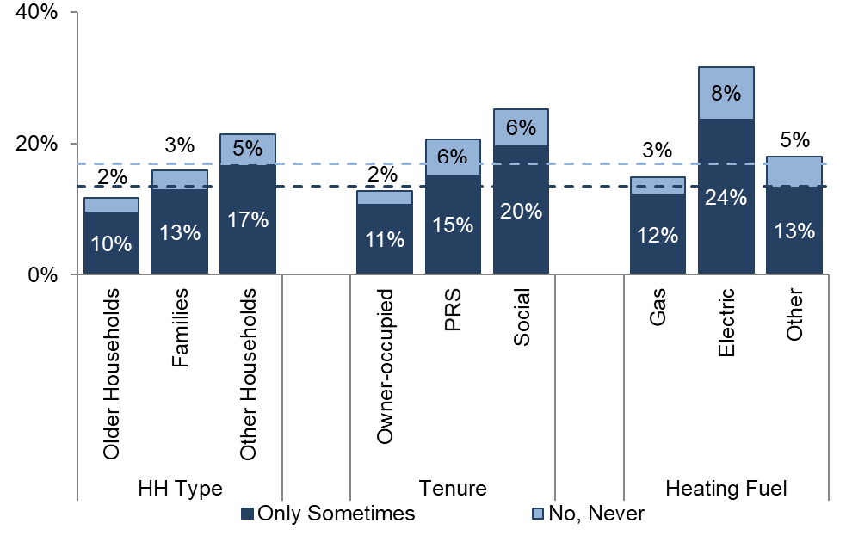

Note: Dashed lines represent the responses from all households in Scotland shown in Figure 26.

Figure 28
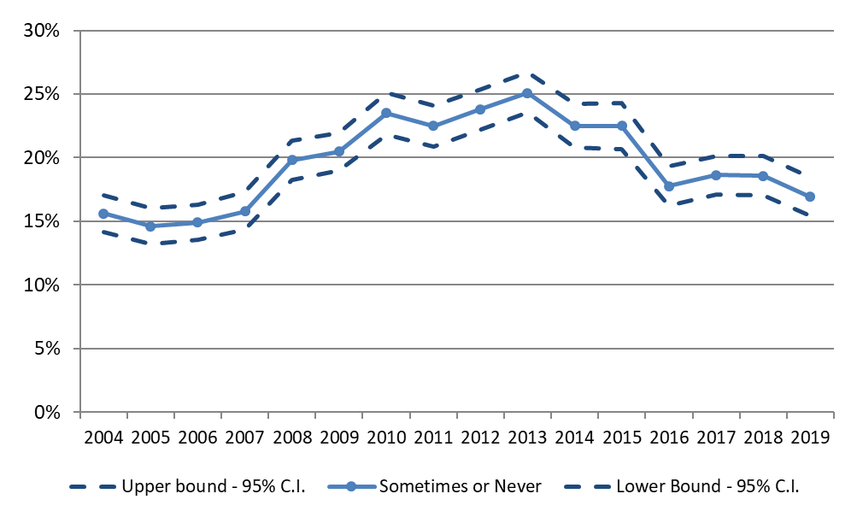
Back to Contents
Figure 28: “Does Your Heating Keep You Warm Enough in the Winter?” Proportion ‘Only Sometimes’ or ‘Never Warm’, 2004-2019

Figure 29
Back to Contents
Figure 29: Reasons Heating Home is Difficult by Tenure, 2019
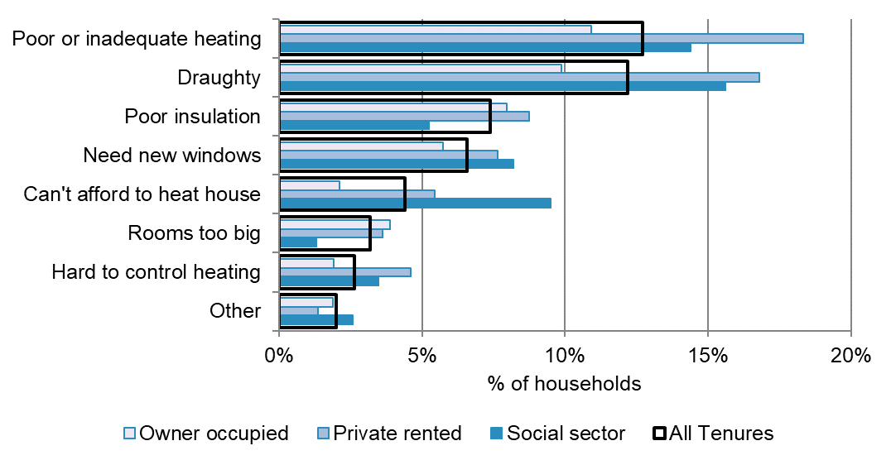

Note: responses have been grouped by theme, as described in section 7.9.5. More than one answer is allowed so the sum of responses can exceed 100%.

Figure 30
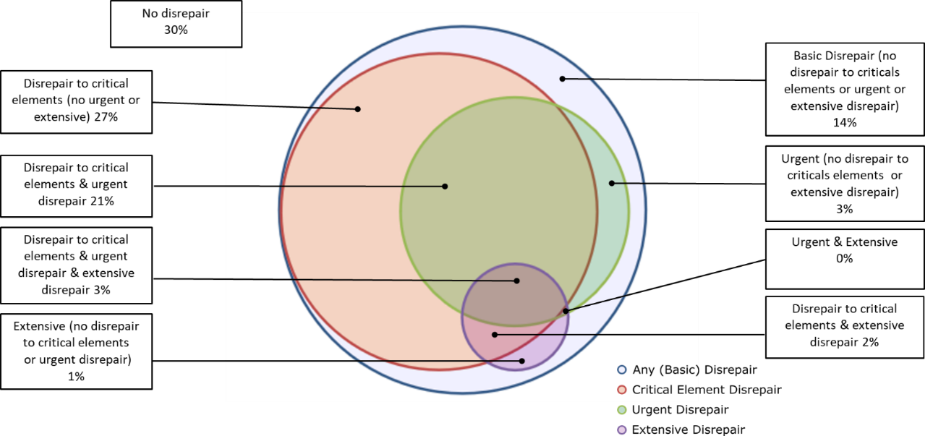
Back to Contents
Figure 30: Disrepair Categories, Proportions of Scotland’s Housing Stock, 2019

Figure 31
Back to Contents
Figure 31: The Number of Households (HHs) Affected and Average (Median) Extent of Disrepair to External Critical Elements
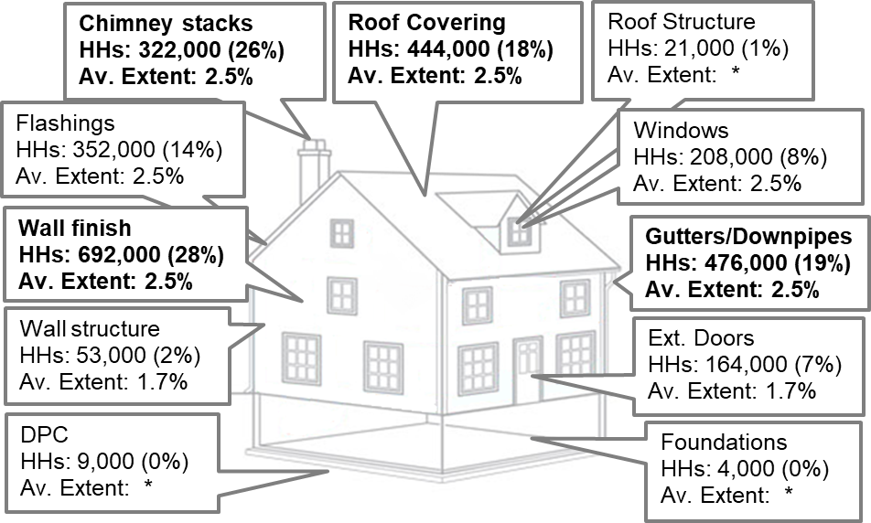

* Av. Extent has been suppressed for some categories due to small sample sizes

Figure 32
Back to Contents
Figure 32: Proportion of Dwellings which are Overcrowded, Meet the Minimum Standard, Exceed it by 1 Bedroom or Exceed by 2 or More Bedrooms, 2012-2019
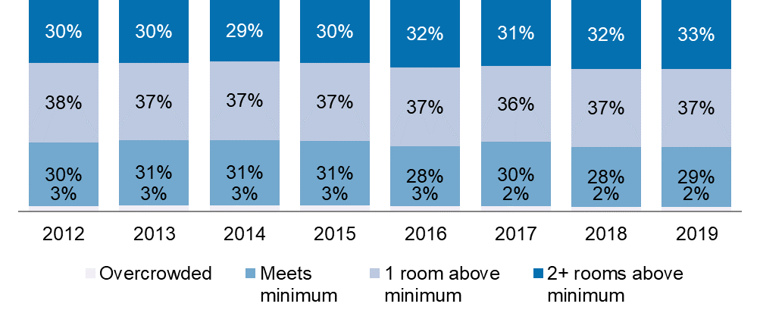

Note: The SHS collects data on gender and not sex. Therefore the number of bedrooms required are allocated based on self-reported gender. In addition, from 2018 onwards the question on gender was non-binary and included two additional responses: ‘Identified in another way’ and ‘Refused’. Please see Annex 2 of the Scottish Household Survey Annual Report 2018 for further details.

Figure 33
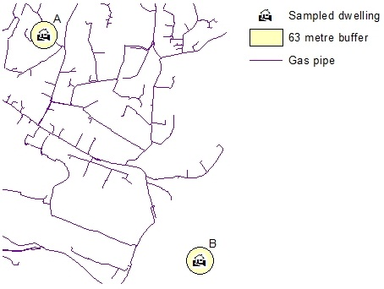
Back to Contents
Figure 33: Gas Grid Derivation with GIS

